MAGNUMS US
 | 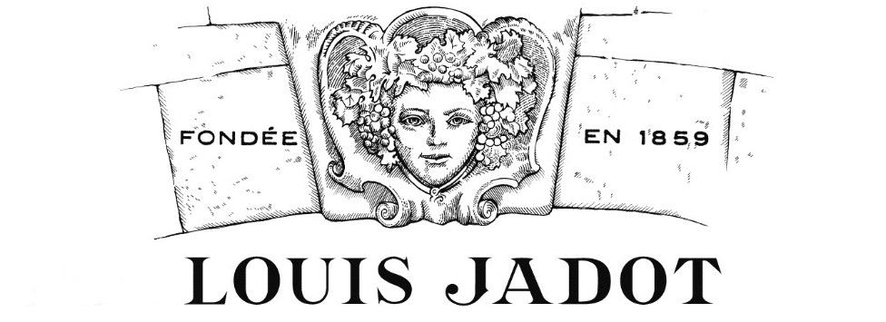
Founded in 1859, owner of 470 acres of vineyards in Burgundy, Maison Louis Jadot wines are recognized for their quality and consistency. Our phylosophy is based on one simple vision: to maintain the greatness of Burgundy's great terroirs for all time.
2026 PRICE LIST - MAGNUMS
COLOUR | APPELLATION | VINTAGE | EX-CELLARS PRICE | QUANTITY | TOTAL | AVAILIBILITY | MAIL BOXES - AIR FREIGHT Day + 30
RED | VILLAGES - COTE D'OR |  |  |  |  |  | 3 MAGNUMS | 125.00 €
RED | SANTENAY CLOS DE MALTE | 2024 | 54.00 € |  | - € |  | 6 MAGNUMS | 205.00 €
RED | MONTHELIE SOUS-ROCHES | 2023 | 54.00 € |  | - € |  | 9 MAGNUMS | 280.00 €
RED | POMMARD | 2023 | 96.00 € |  | - € |  | 12 MAGNUMS | 355.00 €
RED | GEVREY-CHAMBERTIN | 2024 | 110.00 € |  | - € |  | 18 MAGNUMS | 505.00 €
RED | PREMIERS CRUS - COTE D'OR |  |  |  |  |  | 21 MAGNUMS | 585.00 €
RED | PERNAND-VERGELESSES 1ER CRU CLOS DE LA CROIX DE PIERRE | 2024 | 62.00 € |  | - € |  | 24 MAGNUMS | 650.00 €
RED | BEAUNE PREMIER CRU CELEBRATION | 2020 | 84.00 € |  | - € |  | 27 MAGNUMS | 725.00 €
RED | BEAUNE PREMIER CRU THEURONS | 2023 | 84.00 € |  |  |  | 30 MAGNUMS | 795.00 €
RED | BEAUNE PREMIER CRU CLOS DES URSULES MONOPOLE | 2022 | 146.00 € |  | - €
RED | VOLNAY PREMIER CRU CLOS DE LA BARRE MONOPOLE | 2019 | 132.00 € |  | - €
RED | VOLNAY PREMIER CRU SANTENOTS | 2018 | 132.00 € |  | - €
RED | POMMARD PREMIER CRU GRANDS EPENOTS | 2020 | 156.00 € |  | - €
RED | GEVREY-CHAMBERTIN 1ER CRU CAZETIERS | 2018 | 212.00 € |  | - €
RED | NUITS-SAINT-GEORGES PREMIER CRU LES BOUDOTS | 2019 | 190.00 € |  | - €
RED | CHAMBOLLE-MUSIGNY PREMIER CRU LES SENTIERS | 2018 | 190.00 € |  | - €
RED | CHAMBOLLE-MUSIGNY PREMIER CRU LES BAUDES | 2020 | 230.00 € |  | - € | VERY LIMITED QUANTITY
RED | GRANDS CRUS COTE D'OR
RED | CORTON-POUGETS GRAND CRU | 2019 | 218.00 € |  | - €
RED | CORTON GREVES GRAND CRU | 2018 | 218.00 € |  | - €
RED | CLOS VOUGEOT GRAND CRU | 2018 | 378.00 € |  | - €
RED | CHARMES CHAMBERTIN GRAND CRU | 2018 | 538.00 € |  | - €
RED | CHAMBERTIN GRAND CRU | 2017 | 616.00 € |  | - € | VERY LIMITED QUANTITY
RED | CHAMBERTIN CLOS DE BEZE GRAND CRU | 2020 | 918.00 € |  | - € | VERY LIMITED QUANTITY
RED | BONNES MARES GRAND CRU | 2018 | 918.00 € |  | - € | VERY LIMITED QUANTITY
WHITE | VILLAGES - COTE D'OR
WHITE | SANTENAY CLOS DE MALTE | 2023 | 68.00 € |  | - €
WHITE | PERNAND-VERGELESSES CLOS DE LA CROIX DE PIERRE | 2024 | 70.00 € |  | - €
WHITE | MEURSAULT LES CHEVALIERES | 2024 | 120.00 € |  | - €
WHITE | PREMIERS CRUS - CHABLISIEN
WHITE | CHABLIS 1ER CRU MONTEE DE TONNERRE | 2024 | 80.00 € |  | - €
WHITE | PREMIERS CRUS - COTE D'OR
WHITE | SANTENAY 1ER CRU CLOS FAUBARD, EXCLUSIVITY | 2023 | 98.00 € |  | - €
WHITE | BEAUNE PREMIER CRU GRÈVES LE CLOS BLANC | 2023 | 122.00 € |  | - € | LIMITED QUANITY
WHITE | MEURSAULT 1ER CRU CHARMES | 2024 | 186.00 € |  | - € | LIMITED QUANITY
WHITE | GRANDS CRUS - COTE D'OR
WHITE | CORTON-CHARLEMAGNE GRAND CRU | 2023 | 504.00 € |  | - € | LIMITED QUANTITY
WHITE | BÂTARD-MONTRACHET GRAND CRU | 2024 | 1,006.00 € |  | - €
RED | OLD VINTAGES
RED | BEAUNE 1ER CRU CLOS DES COUCHEREAUX | 2011 | 70.00 € |  | - € | LIMITED QUANTITY
RED | BEAUNE 1ER CRU BOUCHEROTTES | 2013 | 70.00 €
RED | BEAUNE 1ER CRU CLOS DES URSULES, MONOPOLE | 2016 | 108.00 € |  | - €
RED | POMMARD PREMIER CRU GRANDS EPENOTS | 2015 | 146.00 € |  | - € | LIMITED QUANTITY
RED | GEVREY-CHAMBERTIN 1ER CRU POISSENOT | 2011 | 140.00 € |  | - € | VERY LIMITED QUANTITY
RED | MOREY-SAINT-DENIS 1ER CRU CLOS DES ORMES | 2015 | 190.00 € |  | - € | LIMITED QUANTITY
RED | NUITS-SAINT-GEORGES PREMIER CRU VAUCRAINS | 2013 | 140.00 € |  | - €
RED | CORTON POUGETS GRAND CRU | 2013 | 154.00 € |  | - €
RED | CLOS VOUGEOT GRAND CRU | 2012 | 266.00 € |  | - € | LIMITED QUANTITY
RED | CHAPELLE-CHAMBERTIN GRAND CRU | 2011 | 378.00 € |  | - € | LIMITED QUANTITY
RED | CLOS DE LA ROCHE GRAND CRU | 2013 | 472.00 € |  | - € | LIMITED QUANTITY
 |  |  | TOTAL | 0 | - €
 |  |  | 10% TARIFF |  | - €
 |  |  | INSURANCE - 4% |  | - €
 |  |  | AIR FREIGHT |  | - €
 |  |  | GRAND TOTAL |  | - €

